Codes
Change Type | Code Value | Code Name | Code Definition | Code List Name | WR Number | Comments | Date
ADD | 93 | Sailab Fennica | Finland National Medical Products Administration | AdditionalTradeItemClassificationCodeListCode | WR-23-000178
ADD | 18650 | 18650 | Lithium-Ion rechargeable battery/cell, cylindrical, with a diameter of approximately 18 millimetres and a length of approximately 65 millimetres. Other common names: 168A, 1865. | BatteryTypeCode | WR-23-000208
ADD | BIODEGRADABLE_MATERIAL | Biodegradable material | Biodegradable refers to the ability of things to get disintegrated (decomposed) by the action of micro-organisms such as bacteria or fungi biological (with or without oxygen) while getting assimilated into the natural environment. | ClaimElementCode | WR-23-000008
ADD | BIOGAS | Biogas | Biogas is a naturally occurring and renewable source of energy, resulting from the breakdown of organic matter. | ClaimElementCode | WR-23-000008
ADD | QUININE | Quinine | A bitter crystalline compound present in cinchona bark. | ClaimElementCode | WR-23-000184
ADD | RECYCLED_MATERIAL | Recycled material | A renewable resource material is an organic natural resource which can replenish to overcome usage and consumption, either through biological reproduction or other naturally reoccurring processes in a finite amount of time, for example wood. | ClaimElementCode | WR-23-000008
ADD | RECYCLED_MATERIAL_MASS_BALANCE | Recycled material, Mass balance | Recycled material and feedstock are combined with virgin raw materials in the production process, resulting in a final product that contains both virgin and recycled content. Mass balance involves mixing fossil and recycled/renewable materials to meet this objective. It's important to note that individual trade items may not necessarily include recycled material, but the plastic material producer is certified for mass balance and incorporates a specific percentage of recycled materials in their feedstock. Refer to local regulations. | ClaimElementCode | WR-23-000096
ADD | RENEWABLE_MATERIAL | Renewable material | A renewable material is a material made of natural resources that can be replenished, generation after generation. | ClaimElementCode | WR-23-000008
ADD | RENEWABLE_MATERIAL_MASS_BALANCE | Renewable material, Mass balance | Renewable material and renewable feedstock (raw material used in industrial process or as fuel) with virgin raw materials in the production process. This creates a final product that is a mixture of virgin and renewable content. Mass balance is about mixing fossil and renewable/recycled materials. It's important to note that individual trade items may not necessarily include renewable material, but the plastic material producer is certified for mass balance and incorporates a specific percentage of renewable materials in their feedstock. Refer to local regulations. | ClaimElementCode | WR-23-000096
ADD | WIND_POWER | Wind power | Wind power or wind energy is mostly the use of wind turbines to generate electricity. Wind power is a popular, sustainable, renewable energy source that has a much smaller impact on the environment than burning fossil fuels. | ClaimElementCode | WR-23-000008
CHANGE | MADE_WITH | Made with from | A claim that the item is made with or from a specific ingredient/nutrition/etc. and any claim likely to have the same meaning for the consumer. Please refer to any local regulations that determine containment levels for the claim. | ClaimTypeCode | WR-23-000008 | Update Definition
CHANGE | MADE_WITH_100_PERCENT | Made with from 100% | A claim that the item is made with/from 100% of a specific ingredient/nutrition/etc. and any claim likely to have the same meaning for the consumer. Please refer to any local regulations that determine containment levels for the claim. | ClaimTypeCode | WR-23-000008 | Update Definition
ADD | NATURALLY_VEGAN | Naturally vegan | Products that are aligned to the definition of vegan, but in addition are made from a single natural product without additional ingredients or additives. Local regulations, where they exist, prevail since a vegan or vegetarian declaration for naturally vegan or vegetarian products could be objected to by the authorities as advertising with self-evident facts, especially for mono-products. | ClaimTypeCode | WR-23-000189
ADD | PARTIALLY_MADE_WITH | Partially made with from | A claim that the item is partially made with/from specific ingredient/nutrition/etc. and any claim likely to have the same meaning for the consumer. Please refer to any local regulations that determine containment levels for the claim. | ClaimTypeCode | WR-23-000008
CHANGE | NO_BARCODE | No data carrier | No data carrier physically presented on/with the trade item. | DataCarrierFamilyTypeCode | WR-23-000102 | Update code name and definition
ADD | AEROPONICS | Aeroponics | Growing plants in the air or mist environment without soil or an aggregate medium. | GrowingMethodCode | WR-23-000152
ADD | AQUAPONICS | Aquaponics | A system of aquaculture in which the waste produced by aquatic animals supplies nutrients for plants grown hydroponically. | GrowingMethodCode | WR-23-000152
ADD | COCO_FIBRE | Coco fibre | A natural fibre extracted from the outer husk of coconut and It is made from fibrous coconut husks that have been compressed into blocks. Also knows as "Coco Coir". | GrowingMethodCode | WR-23-000152
ADD | COCONUT_HUSK | Coconut husk | A thick-walled, usually lignified cells which form the outer protective covering of coconut. | GrowingMethodCode | WR-23-000152
CHANGE | GREENHOUSE | Greenhouse | Product(s) that are grown and cultivated in a structure with wall and roof covered with glass or a transparent material under controlled environment conditions (e.g., plant, fish). | GrowingMethodCode | WR-23-000230 | Update definition
ADD | HYBRID_GREENHOUSE | Hybrid greenhouse | A hybrid greenhouse utilizes the design concept of a Positive Pressure Greenhouse with addition of air and humidity control. | GrowingMethodCode | WR-23-000152
ADD | INDOOR | Indoor | Product(s) grown or cultivated indoor (e.g., plant). | GrowingMethodCode | WR-23-000152
ADD | OTHER | Other | The value needed is not listed or is not defined within this list’s individual code values and definitions. Please send a work request into GS1 or your solution provider requesting the code you are searching for. | GrowingMethodCode | WR-23-000152
ADD | ROCKWOOL | Rockwool | A lightweight hydroponic substrate is made from spinning molten basaltic rock into fin fibres which are then formed into a range of cubes, blocks and growing slabs. | GrowingMethodCode | WR-23-000152
ADD | SOIL | Soil | A mixture of organic matter, mineral, gases, liquids, and organisms that together support life. | GrowingMethodCode | WR-23-000152
ADD | SOIL_SUBSTITUTE | Soil substitute | Soil alternatives are made from a variety of blended materials including and not limited to mosses like peat or sphagnum moss, rocks and minerals like calcined clay. | GrowingMethodCode | WR-23-000152
ADD | SUSPENDED_HYDROPONICS | Suspended hydroponics | Plants grow in a small amount of substrate held by a perforated container which is supported by a fixed cover over a tank. | GrowingMethodCode | WR-23-000152
ADD | MINERAL_QUARTZ | Quartz | A hard white or colourless mineral consisting of silicon dioxide, found widely in igneous, metamorphic, and sedimentary rocks. | MaterialCode | WR-23-000156
ADD | L/min | Litre per minute | Litre per minute [L/min] (Unified code) | MeasurementUnitCode_GDSN | WR-23-000199
ADD | X_ECHINACEA_ROOT_EXTRACT | Echinacea root/leaf extract | GS1 Tagname Description: An extract made from Echinacea root/leaf. Echinacea is a genus of herbaceous flowering plants in the daisy family. - UOM for Nutrient Panel: mg - GS1 Notes, Keywords, and Examples: - GS1 Comment: GS1 temporary code - GS1 Synonyms: Echinacea angustifolia, Echinacea purpurea, CAS Number: 84696-11-7 | NutrientTypeCode | WR-23-000223
CHANGE | NATURAL_CORK | Natural cork | Cork made of natural cork. Cork is the outer bark of the cork oak tree (Quercus suber L.). | PackagingFeatureCode | WR-23-000100 | Update definition
ADD | PLANT_BASED_CORK | Plant-based cork | Cork made of plant-based materials. Also known as Bio-based cork. | PackagingFeatureCode | WR-23-000100
ADD | HERMETICALLY_SEALED | Hermetically sealed | The packaging which is designed and intended to be secure against the entry of microorganisms and to maintain the safety and quality of its contents after processing. | PackagingFunctionCode | WR-23-000094
ADD | SEALED | Sealed | An unopened package which cannot be opened without breaking or damaging such package or any seal, adhesive label or other part of or attachment to such package. Most commonly a sealed package is not air tight. | PackagingFunctionCode | WR-23-000094
ADD | ALLERGY_UK_SEAL_APPROVAL | Allergy UK Seal of Approval | Allergy UK Seal of Approval is a globally recognised product endorsement. This Seal of Approval is an endorsement of products which have been independently scientifically tested and proven to reduce or remove allergens from the indoor environment. | PackagingMarkedLabelAccreditationCode | WR-23-000079 | 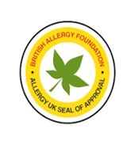
ADD | BIO_SLOVAK_LABEL | Bio Slovakia label | National BIO mark of the Slovak Republic (Naturalis SK). The main subjects of business are control and certification in organic agricultural production (EPV). | PackagingMarkedLabelAccreditationCode | WR-23-000079
ADD | ECO_SLOVAK_LABEL | Eco Slovakia label | The national environmental labelling scheme, the Ministry of the Environment of the Slovak Republic awards the national environmental label "Environmentally suitable product" (EVP) to products and services that have met strict environmental criteria. | PackagingMarkedLabelAccreditationCode | WR-23-000079 | 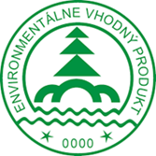
ADD | ECOSMETICA_NATURAL | ECOSMETICA Natural | ECOSMETICA QUALITY certifications protect consumers concernes about safety and efficacy of cosmetics products. The Standard sets criteria for companies to ensure the use of vegetable substances and natural processes to create “natural” cosmetics. The certification confirms adherence to these criteria and and that the cosmetic is compliant following control from Ecogruppo Italia. | PackagingMarkedLabelAccreditationCode | WR-23-000195
ADD | ECOSMETICA_ORGANIC | ECOSMETICA Organic | ECOSMETICA QUALITY certifications protect consumers concernes about safety and efficacy of cosmetics products. The Standard sets criteria for companies to ensure the use of vegetable substances and natural processes to create “organic” cosmetics. The certification confirms adherence to these criteria and and that the cosmetic is compliant following control from Ecogruppo Italia. | PackagingMarkedLabelAccreditationCode | WR-23-000195
ADD | ECOSUN_PASS | EcoSun Pass approved | Based on a sense of environmental responsibility, scientific discipline and sensitivity to consumer wishes, BASF has introduced a methodology to assess the environmental impact of sunscreen formulations. The environmental impact of the selected combination of UV-filters (ultra-violet filters) is calculated by EcoSun Pass’ evaluation parameters. No UV-filters known to harm coral reefs or on EU’s priority list for potential endocrine disrupters are allowed. | PackagingMarkedLabelAccreditationCode | WR-23-000209 | 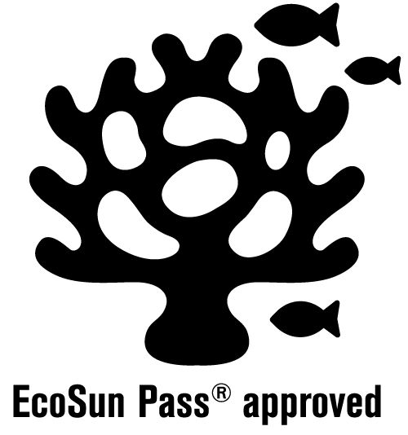
ADD | EUROPEAN_V_LABEL_NATURALLY_VEGAN |  | The V-Label for vegan products is an internationally recognised and protected trademark for the labelling of such products. This V-label enables consumers to quickly and safely classify products with the easily comprehensible category "naturally vegan". The label consists of the V-signet in a circle and an additional category designation. | PackagingMarkedLabelAccreditationCode | WR-23-000190 | 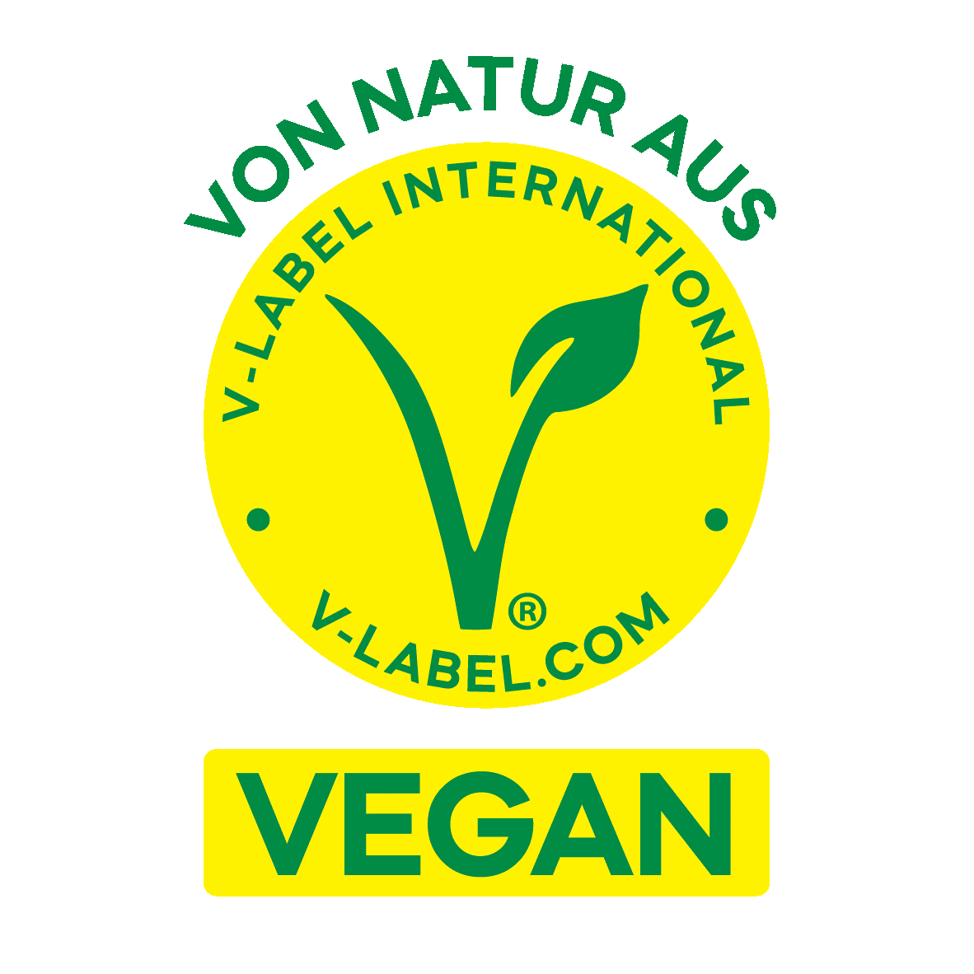
CHANGE | EUROPEAN_V_LABEL_VEGAN |  | The V-Label for vegan products is an internationally recognised and protected trademark for the labelling of such products. It is a simple and safe orientation aid for consumers. Companies create transparency and clarity with the V-label. Uniform criteria and regular controls make the V-Label a unique quality seal in the categories "vegan" throughout Europe. The V-label enables consumers to quickly and safely classify products with the easily comprehensible category "vegan". The label consists of the V-signet in a circle and an additional category designation. | PackagingMarkedLabelAccreditationCode | WR-23-000059 | Change definition, Add image to Guide, if the other exists in file put both image. Change URL link.
CHANGE | EUROPEAN_V_LABEL_VEGETARIAN |  | The V-Label for vegetarian products is an internationally recognised and protected trademark for the labelling of such products. It is a simple and safe orientation aid for consumers. Companies create transparency and clarity with the V-label. Uniform criteria and regular controls make the V-Label a unique quality seal in the categories "vegetarian" throughout Europe. The V-label enables consumers to quickly and safely classify products with the easily comprehensible category "vegetarian". The label consists of the V-signet in a circle and an additional category designation. | PackagingMarkedLabelAccreditationCode | WR-23-000059 | Change definition, Add image to Guide, if the other exists in file put both image. Change URL link
CHANGE | EUROPEAN_VEGETARIAN_UNION |  | Note: This code is being deprecated and will be removed in a future release. Please follow the migration for correct population.The V Label is intended for the labelling of vegetarian and vegan products. The V Label makes it possible to safely and conveniently select vegetarian and vegan food without having to study the ingredients or make enquiries with the manufacturer. Products bearing the V Label must not contain any of the following ingredients: - Meat, fish and poultry - Ingredients that are produced from dead animals such as gelatine and fish oil - Eggs from hens kept in cages - Gelatine for the clarification of juices or vinegar - Calf-rennet for the production of cheese The V Label always states the vegetarian category the labelled product belongs to. The label must at least indicate the category “vegetarian” or “vegan”. Vegetarian products with milk and without egg can be labelled “lacto-vegetarian” (or “without eggs”) and vegetarian products with egg and without milk can be labelled “ovo-vegetarian” (or “without milk”). | PackagingMarkedLabelAccreditationCode | WR-23-000059 | Update definition to delete after period of time. Add image to Guide, if the other exists in file put both image. Change URL link
ADD | GGN | GGN (GLOBALG.A.P. Number) | The GlobalG.A.P. Number (GGN) can only be used on consumer labels for GlobalG.A.P. certified products under the Integrated Farm Assurance (IFA) Standards for: aquaculture; flowers and ornamental plants (floriculture); fruit and vegetables. | PackagingMarkedLabelAccreditationCode | WR-23-000069
CHANGE | GLOBAL_GAP |  | NOTE: This code will be deleted in a future release, please use code GGN. GLOBALG.A.P. is a private sector body that sets voluntary standards for the certification of production processes of agricultural (including aquaculture) products around the globe. The GLOBALG.A.P. standard is primarily designed to reassure consumers about how food is produced on the farm by minimising detrimental environmental impacts of farming operations, reducing the use of chemical inputs and ensuring a responsible approach to worker health and safety as well as animal welfare. | PackagingMarkedLabelAccreditationCode | WR-23-000225 | Update definition
ADD | GREEN_EXPERIENCE_ITALY | Green Experience Italy | Green Experience is a Coldiretti Cuneo project, aimed at creating a network of Piedmontese producers who practice green, rethought and sustainable viticulture. It is presented to consumers with two specifications and two respective alternative brands (blue butterfly, for integrated production, and gold butterfly, for organic), 10 rules to follow and a unique future-oriented collaboration project. | PackagingMarkedLabelAccreditationCode | WR-23-000195 | 
ADD | HALAL_ISLAMIC_CULTURAL_CENTER_OF_SCANDINAVIA | Islamic Cultural Center Halal of Scandinavia | Halal certification of Islamic Cultural Center of Scandinavia. | PackagingMarkedLabelAccreditationCode | WR-23-000209 | 
ADD | ISA | Islamic Services of America (ISA) | ISA (Islamic Services of America) is a recognized global leader in Halal Certification and Auditing Services with a team of regional offices, professionals, and industry leaders throughout the United States, Canada, and Mexico. ISA confidently provides any organization from multinationals, SME’s, and even startups, a level of integrity and service in Halal certification ensuring a comprehensive approach and plan for all your Halal needs. | PackagingMarkedLabelAccreditationCode | WR-23-000195 | 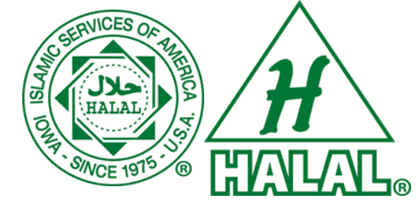
ADD | KVH_KOSHER | KVH Kosher Certification | KVH (Kashrus Vaad Harabonim) Kosher, a premier authority on Kashrus, brings together consumers, retailers and manufacturers, to make Kosher accessible in the Greater Boston area, the New England region and across the globe. | PackagingMarkedLabelAccreditationCode | WR-23-000195
ADD | MADE_IN_SLOVAKIA | Made in Slovakia | The "Made in Slovakia" logo can only be used by companies that carry out production activities on the territory of the Slovak Republic, are registered in the GS1 Slovakia association and have an application for the use of the logo on specific products approved by the association. The "Made in Slovakia" logo is protected by copyright law. | PackagingMarkedLabelAccreditationCode | WR-23-000079
ADD | MANCHESTER_BEIS_DIN | Manchester beis din Kosher | Based in the North West of England, the MK (Manchester Kosher) has dedicated teams travelling the world, certifying manufacturers of raw material, ingredients and finished retail goods to the highest standards of Kosher. The MK Kosher certification services is a division of the Manchester beis din, otherwise known as Badatz Manchester, the largest Jewish court of law in the North West of England. | PackagingMarkedLabelAccreditationCode | WR-23-000209 | 
ADD | QUALITY_LABEL_SLOVAK_1 | Slovak quality label level 1 | The quality mark is the property of the Ministry of Agriculture and Rural Development of the Slovak Republic. The priority of the program was to make domestic quality food products and agricultural products visible and thus their competitiveness on the domestic market. The quality mark is awarded level 1. | PackagingMarkedLabelAccreditationCode | WR-23-000079
ADD | QUALITY_LABEL_SLOVAK_2 | Slovak quality label level 2 | The quality mark is the property of the Ministry of Agriculture and Rural Development of the Slovak Republic. The priority of the program was to make domestic quality food products and agricultural products visible and thus their competitiveness on the domestic market. The quality mark is awarded level 2. | PackagingMarkedLabelAccreditationCode | WR-23-000079 | 
ADD | SRP_VERIFIED | SRP-Verified (Sustainable Rice Platform) | The SRP-Verified (Sustainable Rice Platform) label represents the integrity of claims to sustainable best practices according to the SRP Standard, as verified through the SRP Assurance Scheme. Sustainable Rice Platform is a global alliance aiming to transform the rice sector through improving smallholder livelihoods, reducing environmental impact, and providing a sustainable supply of rice. | PackagingMarkedLabelAccreditationCode | WR-23-000101
ADD | YCOA | Yolo Certified Organic Agriculture | YCOA (Yolo County Agricultural) Commissioner's office is one of the few counties in California to offer an organic certification program to qualified agricultural producers and handlers. The certification standards used by YCOA are the USDA's National Organic Program (NOP). YCOA is a USDA accredited certification agency. | PackagingMarkedLabelAccreditationCode | WR-23-000195 | 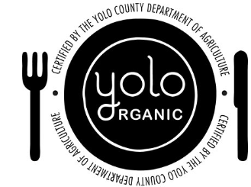
CHANGE | BIOLOGICAL_PLASTIC | Bio-based/Bio-sourced plastic | The packaging material is made from bio-based/bio-sourced plastics whole or partially from renewable biological resources, like sugar cane, starch. | PackagingRawMaterialCode | WR-23-000015 | Update definition
CHANGE | 20 | Corrugated fibreboard (cardboard) | Recycling scheme code 20 relates to corrugated fibreboard (cardboard). | PackagingRecyclingSchemeCode | WR-23-000210 | Change code name "Cardboard" to "Corrugated fibreboard (cardboard)" to align terminology with EU PPWD and update definition.
CHANGE | 84 | Composite: Paper and fibreboard/Plastic/Aluminium | Recycling scheme code 84 relates to composite materials paper and fibreboard/plastic/aluminium. These recyclables represent liquid storage containers, juice boxes, cardboard cans, cigarette pack liners, gum wrappers, cartage shells for blanks, fireworks colouring material. | PackagingRecyclingSchemeCode | WR-23-000210 | Change code name "Composite: Paper and Cardboard/Plastic/Aluminium" to "Composite: Paper and fibreboard/Plastic/Aluminium" to align terminology with EU PPWD.
ADD | SLOW_COOKER | Slow cooker | Cooking method used to cook food slowly over a long period of time. | PreparationTypeCode | WR-23-000194
ADD | TOAST | Toast | Preparation method that uses dry heat to warm and brown the surface of the product. | PreparationTypeCode | WR-23-000194
ADD | COLOUR_PALETTE | Colour palette | Link to a website, file, or image containing the product's colour palette to show the full overview of the different colours of the product. The overview is mainly used by suppliers to indicate the colours with their own reference numbers and names e.g. in cosmetics for make up, nail polish, lip stick etc. | ReferencedFileTypeCode | WR-23-000113
ADD | ACCESSORY_INCLUDED | Accessory/Add-on included | Accessory/Add-on which can be used with the Trade Item to aid/enhance in its functionality or operation. | ReferencedTradeItemTypeCode | WR-23-000136
ADD | ACCESSORY_SOLD_SEPARATELY | Accessory/Add-on sold separately | Accessory/Add-on which is sold separately, that can be used with the Trade Item to aid/enhance in its functionality or operation. | ReferencedTradeItemTypeCode | WR-23-000136
ADD | WARRANTY_REQUIREMENTS | Warranty requirements | Requirements which specify the product's warranty type (i.e., implied, express, etc.) and any terms and conditions applicable. Please refer to local regulations. | RegulationTypeCode | WR-23-000215
CHANGE | MADE_FROM_RECYCLED_MATERIAL |  | Note: This code is being deprecated and will be removed in a future release. Please follow the migration for correct population. Trade item is made from recycled material based on target market regulations. In the recycling process waste products are recycled to their starting materials or into secondary raw materials. Recyclable materials include many kinds of glass, paper, metal, plastic, tires, textiles and electronics. | SustainabilityFeatureCode | WR-23-000008 | Old definition: Trade item is made from recycled material based on target market regulations. In the recycling process waste products are recycled to their starting materials or into secondary raw materials. Recyclable materials include many kinds of glass, paper, metal, plastic, tires, textiles and electronics.
CHANGE | MADE_FROM_RENEWABLE_MATERIAL |  | Note: This code is being deprecated and will be removed in a future release. Please follow the migration for correct population. The trade item is made from materials which are considered to be renewable. A renewable resource material is an organic natural resource which can replenish to overcome usage and consumption, either through biological reproduction or other naturally reoccurring processes in a finite amount of time, for example wood. | SustainabilityFeatureCode | WR-23-000008 | Old definition: The trade item is made from materials which are considered to be renewable. A renewable resource material is an organic natural resource which can replenish to overcome usage and consumption, either through biological reproduction or other naturally reoccurring processes in a finite amount of time, for example wood.
CHANGE | MADE_WITH_100_PERCENT_RENEWABLE_WIND_POWER |  | Note: This code is being deprecated and will be removed in a future release. Please follow the migration for correct population. The trade item was made with wind power Instead of using electricity and other non-renewable energy resources to make. Wind energy is a free and a renewable resource | SustainabilityFeatureCode | WR-23-000008 | Old definition:The trade item was made with wind power Instead of using electricity and other non-renewable energy resources to make. Wind energy is a free and a renewable resource
CHANGE | PARTIALLY_MADE_FROM_RECYCLED_MATERIALS |  | Note: This code is being deprecated and will be removed in a future release. Please follow the migration for correct population. Trade item where separate portions are made from new and recycled material. In the recycling process waste products are recycled to their starting materials or into secondary raw materials. Recyclable materials include many kinds of glass, paper, metal, plastic, tires, textiles and electronics. | SustainabilityFeatureCode | WR-23-000008 | Old definition: Trade item where separate portions are made from new and recycled material. In the recycling process waste products are recycled to their starting materials or into secondary raw materials. Recyclable materials include many kinds of glass, paper, metal, plastic, tires, textiles and electronics.
ADD | BAG | Bag | A bag is to carry or store items. Example: In European Union a plastic bag with a wall thickness below 50 microns ( 1c of Article 3 of Directive 94/62/EC). | TradeItemMaterialDesignationCode | WR-23-000015
ADD | BOTTLE | Bottle | Bottles are used to contain liquid or substances such as beverages, foods, cleaning products, etc. | TradeItemMaterialDesignationCode | WR-23-000015
ADD | CONSUMPTION_UTENSIL | Consumption utensil | An item which allows the user to extract and/or consume the content of a product. | TradeItemMaterialDesignationCode | WR-23-000015
ADD | CONTAINER | Container | The container is intended for preparing/storing/consuming items, such as food or non-food items. | TradeItemMaterialDesignationCode | WR-23-000015
ADD | CUP | Cup | An item is intended for consuming products. The product is sold empty. Example: Cups for beverages. | TradeItemMaterialDesignationCode | WR-23-000015
ADD | HEATING_ELEMENT | Heating element | A heating element is a part of an object that converts electrical energy into heat. | TradeItemMaterialDesignationCode | WR-23-000156
ADD | LID | Lid | A lid is designed to cover an item. | TradeItemMaterialDesignationCode | WR-23-000015
ADD | MOUTHPIECE | Mouthpiece | The mouthpiece is a part of an object which comes near or in contact with one's mouth during use to inhale vapor containing nicotine, cannabis or other chemicals. | TradeItemMaterialDesignationCode | WR-23-000156
ADD | RESERVOIR | Reservoir | The reservoir is a part of an object which contains nicotine, cannabis or other chemicals. | TradeItemMaterialDesignationCode | WR-23-000156
ADD | STIRRER | Stirrer | A stirrer is used as a way to mix, blend a product. | TradeItemMaterialDesignationCode | WR-23-000015
ADD | STRAW | Straw | A straw is designed to drink a liquid by mouth. | TradeItemMaterialDesignationCode | WR-23-000015
ADD | WRAPPER | Wrapper | A wrapper is used for the process of enclosing all or part of an item with layer(s) of flexible wrapping material. | TradeItemMaterialDesignationCode | WR-23-000015

